Plan1
 | Cores a Misturar |  |  | Modelos |  |  |  | CIE-LAB into CIE-LCh: http://colormine.org/convert/lab-to-lch |  |  |  |  |  |  | LCh:
 |  |  |  |  |  |  |  | Valores de todas as cores: http://colorizer.org |  |  |  |  |  |  | L = L
 | Red | Cyan |  | HSV |  |  |  | Codigo HTML: http://html-color-codes.info |  |  |  |  |  |  | C = sqrt(a^2 + b^2)
 | Green | Magenta |  | CIE-LCh |  |  |  |  |  |  |  |  |  |  | H = tan-1(b/a)
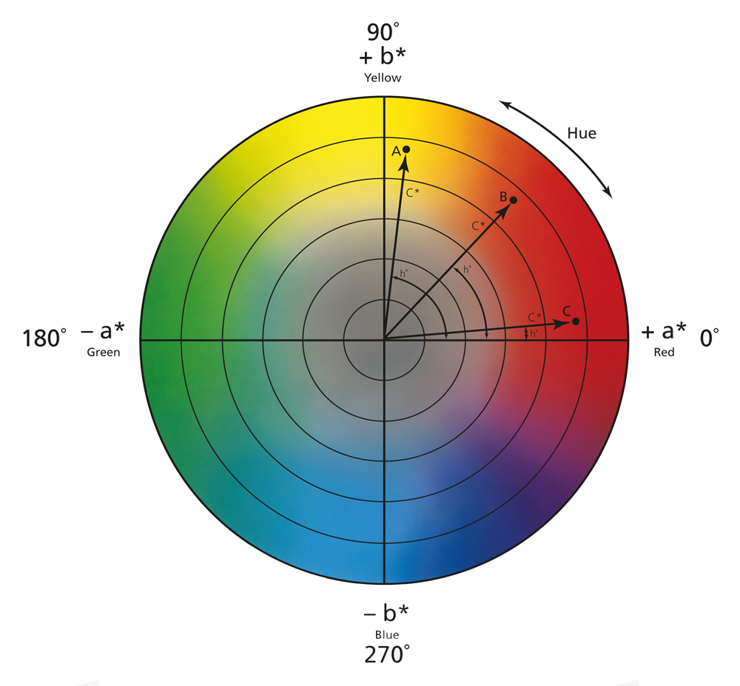
 | Blue | Yellow |  | CMYK

 |  |  | H | S | V | L* | C* | h* | C | M | Y | K | R | G | B | L* | a* | b* | HTML
 | Red |  | 0 | 100 | 100 | 53.23 | 104.57 | 40.00 | 0 | 100 | 100 | 0 | 255 | 0 | 0 | 53.23 | 80.11 | 67.22 | #FF0000
 | Green |  | 120 | 100 | 100 | 87.74 | 119.77 | 136.01 | 100 | 0 | 100 | 0 | 0 | 255 | 0 | 87.74 | -86.18 | 83.18 | #000100
 | Blue |  | 240 | 100 | 100 | 32.30 | 133.81 | 306.29 | 100 | 100 | 0 | 0 | 0 | 0 | 255 | 32.30 | 79.20 | -107.86 | #FFFFFF
 | Cyan |  | 180 | 100 | 100 | 91.12 | 50.11 | 196.39 | 100 | 0 | 0 | 0 | 0 | 255 | 255 | 91.12 | -48.08 | -14.14 | #00FFFF
 | Magenta |  | 300 | 100 | 100 | 60.32 | 115.56 | 328.23 | 0 | 100 | 0 | 0 | 255 | 0 | 255 | 60.32 | 98.25 | -60.84 | #FF00FF
 | Yellow |  | 60 | 100 | 100 | 97.14 | 96.90 | 102.85 | 0 | 0 | 100 | 0 | 255 | 255 | 0 | 97.14 | -21.56 | 94.48 | #FFFF00

 |  |  | HSV |  |  | CIE-LCh |  |  | CMYK |  |  |  | RGB |  |  | CIE-L*a*b* |  |  | HTML
 | Two Color Blends |  | H (Hue) | S (Saturation) | V (Value) | L (Lightness) | C (Saturation) | h (Hue) | C (Cyan) | M (Magenta) | Y (Yellow) | K (Key) | R | G | B | L* | a* | b* | HSV | CIE-L*C*h* | CMYK | RGB | CIE-L*a*b*
 | R-G |  | 60 | 100 | 100 | 70.49 | 112.17 | 88.01 | 50 | 50 | 100 | 0 | 127.5 | 127.5 | 0 | 70.49 | -3.035 | 75.2 | #FFFF00 | #adacac | #808000 | #808000 | #c9ab00 | 15 Misturas
 | R-B |  | 300 | 100 | 100 | 42.77 | 119.19 | 353.15 | 50 | 100 | 50 | 0 | 127.5 | 0 | 127.5 | 42.77 | 79.66 | -20.32 | #FF00FF | #656565 | #800080 | #800080 | #ca0088
 | G-B |  | 180 | 100 | 100 | 60.02 | 126.79 | 221.15 | 100 | 50 | 50 | 0 | 0 | 127.5 | 127.5 | 60.02 | -3.49 | -12.34 | #00FFFF | #919191 | #008080 | #008080 | #7d93a6
180º | R-C |  | 90 | 100 | 100 | 72.18 | 77.34 | 118.20 | 50 | 50 | 50 | 0 | 127.5 | 127.5 | 127.5 | 72.18 | 16.02 | 26.54 | #80FF00 | #91c01d | #808080 | #808080 | #dda581
 |  |  | 270 | 100 | 100 |  |  |  |  |  |  |  |  |  |  |  |  |  | #7f00ff
 | R-M |  | 330 | 100 | 100 | 56.78 | 110.07 | 4.12 | 0 | 100 | 50 | 0 | 255 | 0 | 127.5 | 56.78 | 89.18 | 3.19 | #FF0080 | #8c8788 | #FF0080 | #FF0080 | #ff0087
 | R-Y |  | 30 | 100 | 100 | 75.19 | 100.74 | 71.43 | 0 | 50 | 100 | 0 | 255 | 127.5 | 0 | 75.19 | 29.28 | 80.85 | #FF8000 | #bcb9b5 | #FF8000 | #FF8000 | #ffa100
 | C-M |  | 240 | 100 | 100 | 75.72 | 82.84 | 262.35 | 50 | 50 | 0 | 0 | 127.5 | 127.5 | 255 | 75.72 | 25.08 | -37.49 | #0000FF | #00caff | #8080FF | #8080FF | #c6aeff
 | M-Y |  | 0 | 100 | 100 | 78.73 | 106.23 | 35.54 | 0 | 50 | 50 | 0 | 255 | 127.5 | 127.5 | 78.73 | 38.35 | 16.82 | #FF0000 | #ff705c | #FF8080 | #FF8080 | #ffa6a6
 | G-C |  | 150 | 100 | 100 | 89.43 | 84.94 | 166.20 | 100 | 0 | 50 | 0 | 0 | 255 | 127.5 | 89.43 | -67.13 | 34.52 | #00FF80 | #00ffb7 | #00FF80 | #00FF80 | #46ff9c
180º | G-M |  | 210 | 100 | 100 | 74.03 | 117.66 | 52.12 | 50 | 50 | 50 | 0 | 127.5 | 127.5 | 127.5 | 74.03 | 6.03 | 11.17 | #0080FF | #ff7f14 | #808080 | #808080 | #c9b2a2
 |  |  | 30 | 100 | 100 |  |  |  |  |  |  |  |  |  |  |  |  |  | #ff8000
 | G-Y |  | 90 | 100 | 100 | 92.44 | 108.34 | 119.43 | 50 | 0 | 100 | 0 | 127.5 | 255 | 0 | 92.44 | -53.87 | 88.83 | #80FF00 | #b8ff15 | #80FF00 | #80FF00 | #aeff00 |  | CIE-L*a*b* - Hue
 | B-C |  | 210 | 100 | 100 | 61.71 | 91.96 | 251.34 | 100 | 50 | 0 | 0 | 0 | 127.5 | 255 | 61.71 | 15.56 | -61.00 | #0080FF | #00acff | #0080FF | #0080FF | #5792ff
 | B-M |  | 270 | 100 | 100 | 46.31 | 124.69 | 317.26 | 50 | 100 | 0 | 0 | 127.5 | 0 | 255 | 46.31 | 88.73 | -84.35 | #8000FF | #a60ee2 | #8000FF | #8000FF | #ab00ff
180º | B-Y |  | 150 | 100 | 100 | 64.72 | 115.36 | 24.57 | 50 | 50 | 50 | 0 | 127.5 | 127.5 | 127.5 | 64.72 | 28.82 | -6.69 | #00FF80 | #ff2059 | #808080 | #808080 | #ca8aaa
 |  |  | 330 | 100 | 100 |  |  |  |  |  |  |  |  |  |  |  |  |  | #ff007f
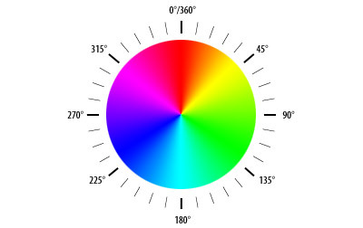
 | C-Y |  | 120 | 100 | 100 | 94.13 | 73.51 | 149.62 | 50 | 0 | 50 | 0 | 127.5 | 255 | 127.5 | 94.13 | -34.82 | 40.17 | #00FF00 | #6effa3 | #80FF80 | #80FF80 | #c4ff9e
 | Three Color Blends
 | R-G-B |  |  |  |  |  |  |  |  |  |  |  |  |  |  |  |  |  |  |  |  |  |  | 20 Misturas
 | R-G-C
 | R-G-M
 | R-G-Y
 | R-C-B
 | R-M-B
 | R-Y-B
 | C-G-B
 | M-G-B
 | Y-G-B
 | C-M-Y
 | C-M-R
 | C-M-G
 | C-M-B
 | C-R-Y |  |  |  |  |  |  |  |  |  |  |  |  |  |  |  |  |  |  |  |  |  |  |  | HSV - Hue Circle
 | C-G-Y
 | C-B-Y
 | R-M-Y
 | G-M-Y
 | B-M-Y

